Engine Room Scantling
 |  |  |  | Engine Room Scantling Calculation |  |  |  |  |  |  | [Ref:GL-2013]

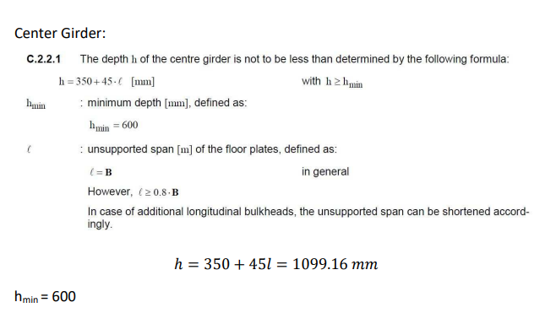
 |  |  |  |  |  | (Pt-1, Ch-1, Sec-8)
Depth of the center girder, h |  |  | h = 350 + 45l | 959.3 | mm
 |  |  |  |  |  | l | 13.54 | m

 | We are taking the depth of the center girder |  |  | 960 | mm

Thickness of the center girder, tm |  |  | tm=h/ha(h/100 +1)√k | 9.349 | mm | ha | 960 | mm
 |  |  |  |  |  | h | 959.3 | mm
 |  |  |  |  |  | k | 0.78

Thickness of the side girders, tm |  |  | tm=(h2/120ha) * √k | 7.055 | mm

Thickness of plate floors |  |  | tpf = tm − 2.0√k | 7.582 | mm
 |  | (Pt-1, Ch-1, Sec-8, C.5.2.1)
 |  |  |  |  |  | P | 484 | kw
Thickness of plate floors at Engine Room |  |  | t=c tpf | 7.961 | mm | c | 1.004568
 |  |  |  |  |  | taking | 1.05
 |  | (Pt-1, Ch-1, Sec-8, D.3.1) | taking | 8 | mm

Thickness of the longitudinal girders, t |  |  | t=√(P/15) +6 | 11.680 | mm | P | 484 | kW
 |  | (Pt-1, Ch-1, Sec-8, D.4.2.1) |  | 12 | mm
 |  |  | taking | 8 | mm
 | Taking,
Thickness of side girder |  |  | t | 11.680 | mm
 |  |  |  | 12 | mm

 |  |  | taking | 8 | mm

Thickness of inner bottom plating |  |  | t = 1.1⋅a⋅ √(p⋅ k) + tK | 4.931 | mm | p | 41.24 | kN/m2
 |  |  |  | 5 | mm | tk | 1.5 | mm
 |  |  |  |  |  | a | 0.55

 | Between the foundation girders, thickness of inner bottom plating |  |  | 6.931 | mm
 |  |  |  | 7 | mm

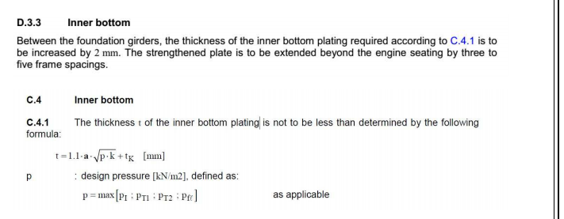
The thickness of top plate should approximately be equal to the
diameter of the fitted-in bolts. So, thickness of the top plate |  |  |  | 23 | mm

 | The cross sectional area of the top plate |  | At= P/15+ 30 | 62.267 | cm2

 | The width of the plate |  | At*100/t | 270.725 | mm

 |  |  |  | 295 | mm

 |  |  |  |  |  |  |  |  |  |  | [Sec-4, A3]
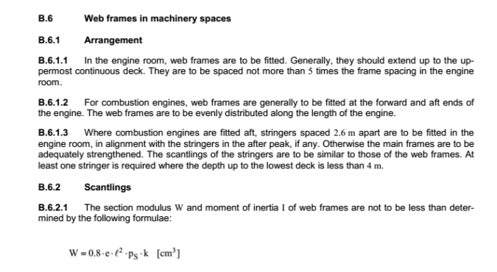
 | The section modulus of web frame |  | 94.632 | cm3 | (Pt-1, Ch-1, Sec-9)

 |  |  | T - 250X175X10 mm

 |  |  |  |  |  |  |  | z | 1.5
 |  |  |  |  |  |  |  | Ps | 33.76 | kN/m2
 |  |  |  |  |  |  |  | e | 1.65
 |  |  |  |  |  |  |  | l | 1.65

 | The foundation bolts for fastening the engine at the seating shall be spaced no more apart than, S = 3×D |  |  |  |  | (Pt-1,Ch-1,Sec-8, D.4.1.4)
 | Where, d = diameter of the foundation bolt

 |  |  | S=3×D | 69.000 | mm |  |  | D | 23 | mm

 | Thickness of Brackets |  | 3.5+.25*√Z | 5.932
 |  |  |  | 6.5 | mm

 |  |  | a | 216 | mm | 300 |  | l | 270
 |  |  | b | 216 | mm | 300

